EDA 3
Are there any correlations between a city's geographical location (latitude and longitude) and its weather attributes, such as temperature or humidity?

Conclusion
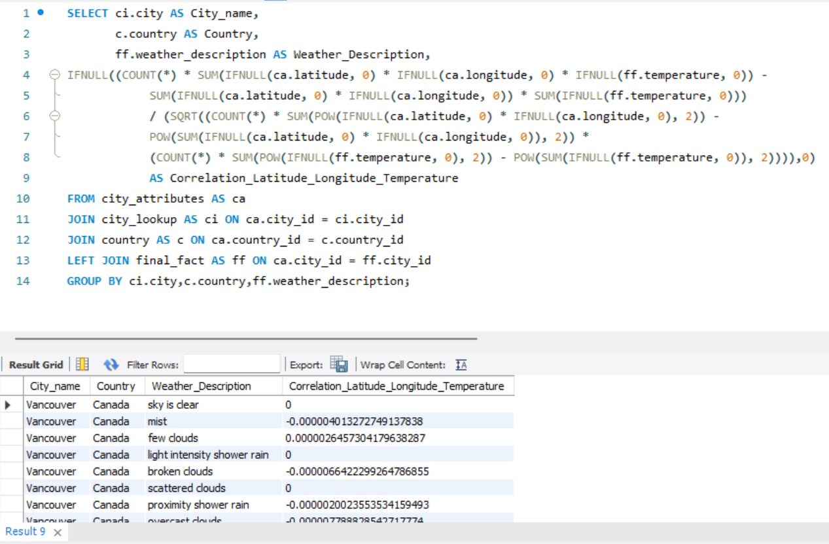
The dataset reveals specific correlations for different cities and countries. For example, if we consider a city like Vancouver in Canada, it has a certain correlation measure indicating how its geographical location affects temperature. These measures across various cities and countries in the dataset help us understand the extent to which geographic factors like latitude and longitude influence the local weather, particularly temperature. This insight is crucial for studying climate patterns and can guide further research in meteorology and geography.

City_name | Country | Weather_Description | Correlation_Latitude_Longitude_Temperature
Vancouver | Canada | sky is clear | 0
Vancouver | Canada | mist | -4.0132727491E-06
Vancouver | Canada | few clouds | 2.645730418E-06
Vancouver | Canada | light intensity shower rain | 0
Vancouver | Canada | broken clouds | -6.6422299265E-06
Vancouver | Canada | scattered clouds | 0
Vancouver | Canada | proximity shower rain | -2.0023553534E-06
Vancouver | Canada | overcast clouds | -7.7888285427E-06
Vancouver | Canada | smoke | 0
Vancouver | Canada | light rain | -1.1672780964E-05
Vancouver | Canada | fog | 0
Vancouver | Canada | moderate rain | 0
Vancouver | Canada | heavy intensity rain | -2.8198501232E-06
Vancouver | Canada | very heavy rain | -8.8925364281E-07
Vancouver | Canada | light snow | -2.4457894302E-06
Vancouver | Canada | light intensity drizzle | -4.1011425806E-07
Vancouver | Canada | heavy snow | -3.0504255262E-06
Vancouver | Canada | heavy shower snow | 0
Vancouver | Canada | shower rain | -1.2665898982E-06
Vancouver | Canada | light intensity drizzle rain | -1.4353638896E-06
Vancouver | Canada | snow | 0
Vancouver | Canada | NULL | 0
Montreal | Canada | few clouds | 0
Montreal | Canada | scattered clouds | 0
Montreal | Canada | sky is clear | 0
Montreal | Canada | broken clouds | 0
Montreal | Canada | overcast clouds | 0
Montreal | Canada | heavy intensity rain | -2.1298205129E-07
Montreal | Canada | mist | 0
Montreal | Canada | light rain | 0
Montreal | Canada | moderate rain | 0
Montreal | Canada | thunderstorm with light rain | -1.4893134323E-06
Montreal | Canada | proximity thunderstorm | 0
Montreal | Canada | light intensity shower rain | -5.3924732971E-06
Montreal | Canada | proximity shower rain | 0
Montreal | Canada | haze | 4.1913586582E-07
Montreal | Canada | thunderstorm | 0
Montreal | Canada | dust | 0
Montreal | Canada | fog | 0
Montreal | Canada | thunderstorm with rain | 0
Montreal | Canada | light intensity drizzle | -1.2765933046E-07
Montreal | Canada | smoke | 0
Montreal | Canada | very heavy rain | 0
Montreal | Canada | light intensity drizzle rain | 0
Montreal | Canada | heavy shower snow | -9.1361340583E-07
Montreal | Canada | light shower sleet | 0
Montreal | Canada | light rain and snow | 0
Montreal | Canada | freezing rain | 0
Montreal | Canada | heavy snow | 0
Montreal | Canada | snow | 1.6862755235E-07
Montreal | Canada | light snow | -6.8247647128E-06
Montreal | Canada | shower snow | 0
Montreal | Canada | NULL | 0
Montreal | Canada | light shower snow | 0
Montreal | Canada | sand | 0
Montreal | Canada | shower drizzle | 0
Montreal | Canada | shower rain | 0
Montreal | Canada | thunderstorm with heavy rain | 0
Montreal | Canada | heavy intensity shower rain | 0
Montreal | Canada | drizzle | 0
Indianapolis | United States | sky is clear | -6.037889644E-06
Indianapolis | United States | few clouds | 0
Indianapolis | United States | scattered clouds | 0
Indianapolis | United States | mist | 0
Indianapolis | United States | light rain | 0
Indianapolis | United States | broken clouds | 0
Indianapolis | United States | heavy intensity rain | -1.7353315199E-06
Indianapolis | United States | fog | -6.6354910334E-07
Indianapolis | United States | overcast clouds | 0
Indianapolis | United States | haze | -7.6138751948E-07
Indianapolis | United States | moderate rain | 0
Indianapolis | United States | light intensity drizzle | 0
Indianapolis | United States | thunderstorm | 2.8082083845E-07
Indianapolis | United States | proximity thunderstorm | 0
Indianapolis | United States | drizzle | 0
Indianapolis | United States | thunderstorm with light rain | -1.9144861123E-06
Indianapolis | United States | thunderstorm with heavy rain | 0
Indianapolis | United States | proximity thunderstorm with rain | 0
Indianapolis | United States | thunderstorm with rain | 0
Indianapolis | United States | heavy intensity drizzle | 0
Indianapolis | United States | heavy snow | 0
Indianapolis | United States | snow | 0
Indianapolis | United States | light snow | -2.4540896343E-06
Indianapolis | United States | freezing rain | 0
Indianapolis | United States | NULL | 0
Indianapolis | United States | very heavy rain | -2.078806473E-06
Indianapolis | United States | thunderstorm with light drizzle | 0
Indianapolis | United States | squalls | 0
Indianapolis | United States | light intensity shower rain | 0
Portland | United States | few clouds | -4.2002351189E-06
Portland | United States | sky is clear | -5.2878188183E-06
Portland | United States | broken clouds | -6.183569181E-06
Portland | United States | light rain | -1.1110351515E-05
Portland | United States | scattered clouds | -4.0756543295E-06
Portland | United States | overcast clouds | -7.2694128589E-06
Portland | United States | mist | -6.4046724357E-06
Portland | United States | very heavy rain | -2.3199418922E-06
Portland | United States | moderate rain | -9.1551683635E-06
Portland | United States | light intensity drizzle | 0
Portland | United States | haze | -1.9285422862E-06
Portland | United States | heavy intensity rain | 0
Portland | United States | fog | 0
Portland | United States | heavy snow | 0
Portland | United States | light snow | 0
Portland | United States | snow | -1.2852676014E-06
Portland | United States | dust | 0
Portland | United States | NULL | 0
Portland | United States | thunderstorm | 0
Portland | United States | proximity thunderstorm | -1.0026199764E-06
Portland | United States | freezing rain | -1.0842922452E-05
Portland | United States | smoke | -2.2939444278E-06
Portland | United States | sleet | 0
Portland | United States | drizzle | 0
Portland | United States | thunderstorm with light rain | 0
Atlanta | United States | overcast clouds | -1.0644822041E-06
Atlanta | United States | mist | 4.1534262203E-07
Atlanta | United States | light rain | -1.4409461898E-06
Atlanta | United States | drizzle | 0
Atlanta | United States | light intensity drizzle | 0
Atlanta | United States | broken clouds | -2.4207517716E-06
Atlanta | United States | sky is clear | -1.1244094138E-05
Atlanta | United States | few clouds | -3.7380858957E-06
Atlanta | United States | heavy intensity rain | 0
Atlanta | United States | scattered clouds | -3.186750745E-06
Atlanta | United States | moderate rain | -2.8362080391E-06
Atlanta | United States | proximity thunderstorm | 0
Atlanta | United States | thunderstorm | -3.9991202614E-07
Atlanta | United States | haze | 0
Atlanta | United States | fog | 0
Atlanta | United States | thunderstorm with light rain | -2.4372976992E-07
Atlanta | United States | proximity thunderstorm with rain | 7.1428343421E-07
Atlanta | United States | light intensity shower rain | 1.0769371004E-06
Atlanta | United States | thunderstorm with rain | -1.8922430998E-07
Atlanta | United States | squalls | 0
Atlanta | United States | thunderstorm with heavy rain | -6.5936646907E-07
Atlanta | United States | heavy snow | -3.1070560394E-06
Atlanta | United States | heavy intensity drizzle | -8.7516774233E-07
Atlanta | United States | NULL | 0
Atlanta | United States | light snow | 0
Atlanta | United States | snow | 0
Atlanta | United States | thunderstorm with light drizzle | 0
Atlanta | United States | very heavy rain | -1.3334233876E-06
Atlanta | United States | smoke | 0
Atlanta | United States | light shower snow | 0
Atlanta | United States | thunderstorm with drizzle | 0
Houston | United States | heavy intensity rain | -2.2512717334E-06
Houston | United States | moderate rain | 0
Houston | United States | scattered clouds | 0
Houston | United States | broken clouds | 0
Houston | United States | light rain | 0
Houston | United States | mist | 1.4309735324E-05
Houston | United States | few clouds | 0
Houston | United States | sky is clear | -1.4818852131E-05
Houston | United States | thunderstorm | -9.9107932241E-07
Houston | United States | overcast clouds | 0
Houston | United States | very heavy rain | 0
Houston | United States | proximity thunderstorm | 0
Houston | United States | fog | -3.5450868984E-06
Houston | United States | thunderstorm with rain | 0
Houston | United States | haze | 0
Houston | United States | thunderstorm with light rain | 0
Houston | United States | shower rain | 5.4075355456E-07
Houston | United States | thunderstorm with heavy rain | 0
Houston | United States | smoke | -2.9609657169E-06
Houston | United States | drizzle | 0
Houston | United States | dust | 0
Houston | United States | proximity moderate rain | 0
Houston | United States | proximity shower rain | 0
Houston | United States | light intensity drizzle | 0
Houston | United States | NULL | 0
Houston | United States | light snow | -8.6176784215E-07
Houston | United States | proximity thunderstorm with rain | -4.2065971681E-07
Houston | United States | squalls | 0
Houston | United States | volcanic ash | 0
Houston | United States | thunderstorm with light drizzle | 0
Houston | United States | heavy intensity drizzle | 0
Houston | United States | sand | 0
Houston | United States | heavy intensity shower rain | 0
Houston | United States | thunderstorm with drizzle | 0
Seattle | United States | broken clouds | 0
Seattle | United States | scattered clouds | -3.7284098596E-06
Seattle | United States | few clouds | -5.6245583396E-06
Seattle | United States | light rain | 8.9924469247E-06
Seattle | United States | sky is clear | -1.4752926974E-05
Seattle | United States | overcast clouds | 0
Seattle | United States | fog | -4.2465444909E-06
Seattle | United States | mist | 0
Seattle | United States | moderate rain | -9.314644943E-06
Seattle | United States | proximity thunderstorm | 0
Seattle | United States | haze | -2.3144086229E-06
Seattle | United States | heavy intensity rain | -4.5109934E-06
Seattle | United States | thunderstorm with rain | 0
Seattle | United States | heavy snow | 0
Seattle | United States | NULL | 0
Seattle | United States | very heavy rain | -1.1813749439E-06
Seattle | United States | light snow | -4.2072319991E-06
Seattle | United States | thunderstorm with heavy rain | 0
Seattle | United States | thunderstorm with light rain | -3.7948499228E-06
Seattle | United States | light intensity drizzle | -8.0817193931E-06
Seattle | United States | snow | 0
Seattle | United States | drizzle | 0
Seattle | United States | thunderstorm | -1.0980427827E-06
Seattle | United States | squalls | 0
Seattle | United States | smoke | 0
Seattle | United States | light shower snow | 0
Seattle | United States | heavy intensity drizzle | 0
Seattle | United States | light intensity shower rain | 0
Seattle | United States | heavy intensity shower rain | 0
Seattle | United States | shower rain | 0
San Antonio | United States | sky is clear | 0
San Antonio | United States | overcast clouds | -6.9203227316E-06
San Antonio | United States | few clouds | 0
San Antonio | United States | scattered clouds | 0
San Antonio | United States | light rain | 0
San Antonio | United States | proximity thunderstorm | -1.5260443191E-07
San Antonio | United States | broken clouds | -3.4284686597E-05
San Antonio | United States | squalls | -7.2432486298E-07
San Antonio | United States | haze | 0
San Antonio | United States | light intensity drizzle | -7.6010652992E-07
San Antonio | United States | mist | 0
San Antonio | United States | thunderstorm with light rain | -6.0758808769E-07
San Antonio | United States | heavy intensity rain | 4.9015003347E-07
San Antonio | United States | moderate rain | 0
San Antonio | United States | proximity thunderstorm with rain | 0
San Antonio | United States | fog | -1.6768476979E-06
San Antonio | United States | thunderstorm | -1.0246896703E-06
San Antonio | United States | thunderstorm with heavy rain | -8.4887899938E-07
San Antonio | United States | thunderstorm with rain | -6.5992755152E-07
San Antonio | United States | drizzle | -3.3666544986E-07
San Antonio | United States | proximity thunderstorm with drizzle | 0
San Antonio | United States | heavy snow | 0
San Antonio | United States | dust | 0
San Antonio | United States | NULL | 0
San Antonio | United States | very heavy rain | -1.7727530704E-06
San Antonio | United States | light snow | 0
San Antonio | United States | freezing rain | 0
San Antonio | United States | heavy intensity drizzle | 0
San Antonio | United States | smoke | 0
San Antonio | United States | thunderstorm with light drizzle | 0
Pittsburgh | United States | few clouds | 0
Pittsburgh | United States | broken clouds | 0
Pittsburgh | United States | scattered clouds | 0
Pittsburgh | United States | sky is clear | -6.8958689846E-06
Pittsburgh | United States | overcast clouds | 0
Pittsburgh | United States | mist | 0
Pittsburgh | United States | light rain | 0
Pittsburgh | United States | moderate rain | 0
Pittsburgh | United States | thunderstorm | -1.9890300502E-06
Pittsburgh | United States | light intensity drizzle | -1.8723064053E-06
Pittsburgh | United States | heavy intensity rain | -1.7025363413E-06
Pittsburgh | United States | thunderstorm with heavy rain | 0
Pittsburgh | United States | thunderstorm with light rain | 0
Pittsburgh | United States | proximity thunderstorm | -1.4731832077E-06
Pittsburgh | United States | fog | -2.2258731056E-06
Pittsburgh | United States | haze | -1.8976619411E-06
Pittsburgh | United States | very heavy rain | 0
Pittsburgh | United States | thunderstorm with rain | -2.1805985754E-06
Pittsburgh | United States | heavy snow | -6.2067927584E-06
Pittsburgh | United States | squalls | 0
Pittsburgh | United States | snow | -3.7034668892E-06
Pittsburgh | United States | light snow | 0
Pittsburgh | United States | light rain and snow | 0
Pittsburgh | United States | NULL | 0
Pittsburgh | United States | drizzle | 0
Pittsburgh | United States | freezing rain | 0
Pittsburgh | United States | proximity shower rain | 0
Pittsburgh | United States | dust | 0
Pittsburgh | United States | heavy intensity drizzle | 0
Pittsburgh | United States | proximity thunderstorm with rain | 0
Albuquerque | United States | few clouds | -9.8153828694E-06
Albuquerque | United States | light rain | 0
Albuquerque | United States | scattered clouds | -8.7438084978E-06
Albuquerque | United States | moderate rain | 0
Albuquerque | United States | heavy intensity rain | -1.3263308452E-06
Albuquerque | United States | thunderstorm | -2.0768286725E-06
Albuquerque | United States | broken clouds | -1.3442880536E-05
Albuquerque | United States | sky is clear | -9.3676720894E-06
Albuquerque | United States | proximity thunderstorm | -1.2539311155E-06
Albuquerque | United States | overcast clouds | 0
Albuquerque | United States | shower rain | 0
Albuquerque | United States | thunderstorm with heavy rain | 0
Albuquerque | United States | dust | -1.4337095189E-06
Albuquerque | United States | mist | -4.3929638937E-07
Albuquerque | United States | thunderstorm with light rain | -1.1804933305E-06
Albuquerque | United States | haze | -8.6139372457E-07
Albuquerque | United States | thunderstorm with rain | 0
Albuquerque | United States | squalls | 0
Albuquerque | United States | heavy snow | 0
Albuquerque | United States | light snow | -1.5829070743E-06
Albuquerque | United States | proximity shower rain | -7.9066787287E-07
Albuquerque | United States | fog | -9.258340179E-07
Albuquerque | United States | sleet | 0
Albuquerque | United States | sand | 0
Albuquerque | United States | light intensity shower rain | 0
Albuquerque | United States | smoke | 0
Albuquerque | United States | proximity moderate rain | -3.2888223789E-06
Albuquerque | United States | NULL | 0
Albuquerque | United States | light intensity drizzle | -1.2004102426E-06
Albuquerque | United States | very heavy rain | 0
Albuquerque | United States | shower snow | 0
Albuquerque | United States | snow | -1.3091385502E-06
Albuquerque | United States | drizzle | 0
Albuquerque | United States | proximity thunderstorm with rain | 0
Albuquerque | United States | sand/dust whirls | 0
Albuquerque | United States | thunderstorm with drizzle | 0
Albuquerque | United States | heavy intensity drizzle | 0
Albuquerque | United States | proximity thunderstorm with drizzle | 0
Tel Aviv District | Israel | sky is clear | 9.4553247791E-06
Tel Aviv District | Israel | few clouds | 1.3940223581E-05
Tel Aviv District | Israel | scattered clouds | 1.3110347161E-05
Tel Aviv District | Israel | broken clouds | 0
Tel Aviv District | Israel | light rain | 6.1375355533E-06
Tel Aviv District | Israel | overcast clouds | 4.7906425019E-06
Tel Aviv District | Israel | haze | 0
Tel Aviv District | Israel | mist | 0
Tel Aviv District | Israel | fog | 1.222991824E-06
Tel Aviv District | Israel | thunderstorm with rain | 1.2384872243E-06
Tel Aviv District | Israel | proximity thunderstorm | 1.4967646155E-06
Tel Aviv District | Israel | moderate rain | 0
Tel Aviv District | Israel | shower rain | 9.8397960933E-07
Tel Aviv District | Israel | dust | 0
Tel Aviv District | Israel | thunderstorm | 1.0240812479E-06
Tel Aviv District | Israel | heavy intensity rain | 0
Tel Aviv District | Israel | thunderstorm with light rain | -1.9142077037E-06
Tel Aviv District | Israel | drizzle | 0
Tel Aviv District | Israel | NULL | 0
Tel Aviv District | Israel | ragged shower rain | 0
Tel Aviv District | Israel | heavy intensity shower rain | 2.8551491683E-06
Tel Aviv District | Israel | light intensity drizzle | 0
Tel Aviv District | Israel | very heavy rain | 0
Tel Aviv District | Israel | snow | 0
Tel Aviv District | Israel | thunderstorm with heavy rain | 0
Tel Aviv District | Israel | light intensity shower rain | 0
Tel Aviv District | Israel | smoke | 0
Dallas | United States | few clouds | 0
Dallas | United States | sky is clear | 0
Dallas | United States | moderate rain | -4.441305032E-06
...

